Calculations
 | Soil Resistivity Calculation

 | Rod spacing (A) in feet |  | r = 2p AR (with A in cm)

 | R reading |  | r = 191.5 AR (with A in feet)

 | Soil resistivity r | ohm-cm | r = Soil resistivity (ohm-cm)

 | Soil Resistivity Charts
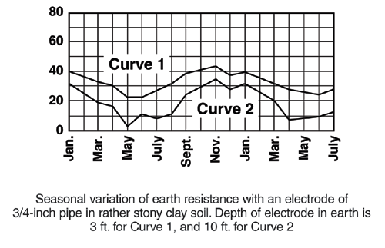

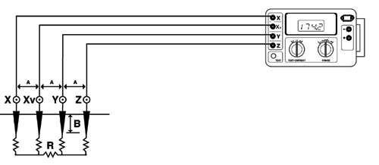

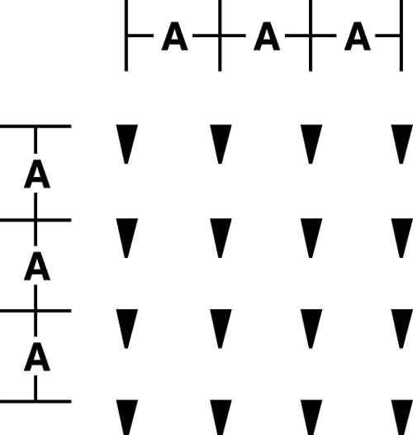

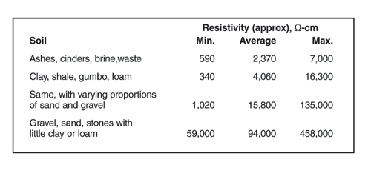
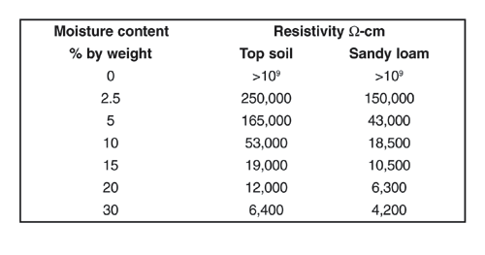

Call the AEMC® Instruments Technical Assistance Hotline for immediate consultation with an applications engineer: (800) 343-1391
Chauvin Arnoux,® Inc. d.b.a. AEMC® Instruments · 200 Foxborough Blvd. · Foxborough, MA 02035 USA · (800) 343-1391 · (508) 598-2115 · Fax (508) 698-2118
Visit our website at www.aemc.com

Effects
Effects of Soil Resistivity
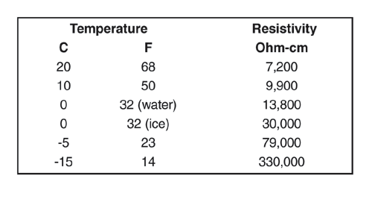

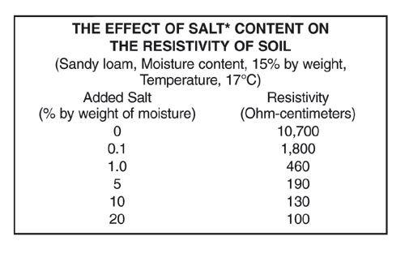

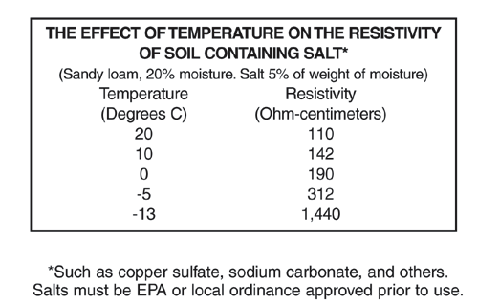

Call the AEMC® Instruments Technical Assistance Hotline for immediate consultation with an applications engineer: (800) 343-1391
Chauvin Arnoux,® Inc. d.b.a. AEMC® Instruments · 200 Foxborough Blvd. · Foxborough, MA 02035 USA · (800) 343-1391 · (508) 598-2115 · Fax (508) 698-2118
 | Visit our website at www.aemc.com

Nomograph
Grounding Nomograph

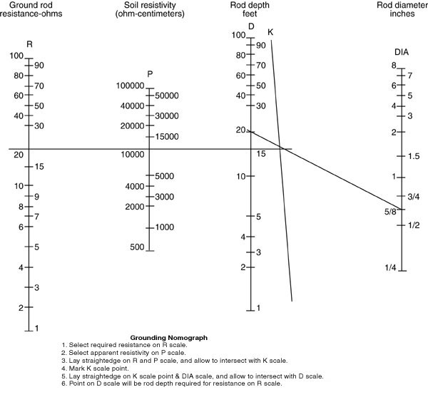

Call the AEMC® Instruments Technical Assistance Hotline for immediate consultation with an applications engineer: (800) 343-1391
Chauvin Arnoux,® Inc. d.b.a. AEMC® Instruments · 200 Foxborough Blvd. · Foxborough, MA 02035 USA · (800) 343-1391 · (508) 598-2115 · Fax (508) 698-2118
Visit our website at www.aemc.com

