Sheet1
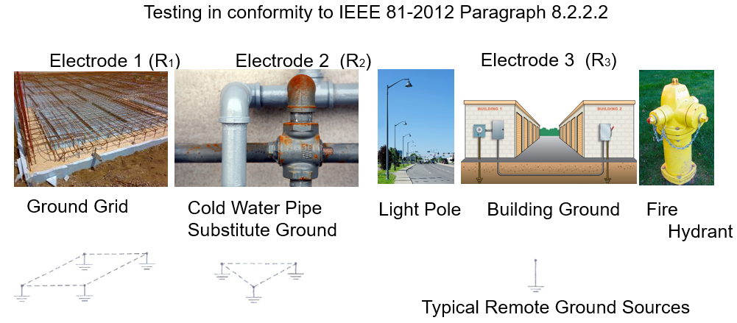
R12 |  | Ω
R13 |  | Ω
R23 |  | Ω
R₁₂ + R₁₃ – R₂₃
----------------------------------------------------
2
R1 | 0 | Ω | R1=

R₂ = R₁₂ - R₁
R2 | 0 | Ω

Typically used to measure ground grids when it is not possible to place the injector electrode out of the influence of the grid and there are
two independent known low resistance sources available that are outside of the influence of the grid under test.

This method involves the use of two existing electrodes systems with their resistances designated as R2 and R3 and with the electrode to be measured designated as R1.

The resistance between each pair of electrodes is measured and designated as R12, R13, and R23, where R12 = R1 + R2, R13= R1 + R3 and R23 = R2 + R3

Solving the simultaneous equations, it follows that measuring the resistance of each pair of ground electrodes in series and substituting these values in Equation for R1
above, the value of R1 can be determined.

If the two test electrodes have substantially higher resistances than the electrode under test, the errors of the individual measurements will be greatly magnified in the final results.
In addition, this method can give erroneous values, such as zero or negative resistance, if the electrodes are not separated by a sufficiently large distance. Consequently,
this method becomes difficult for large substations.

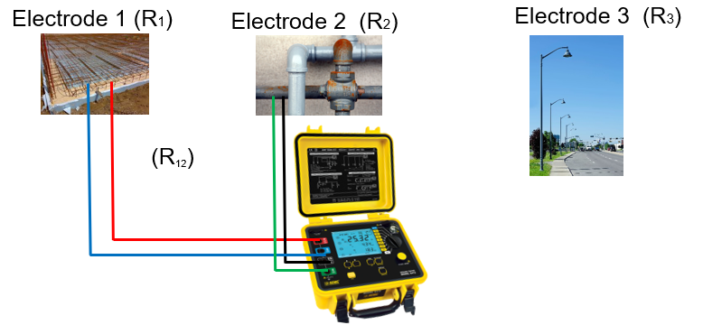
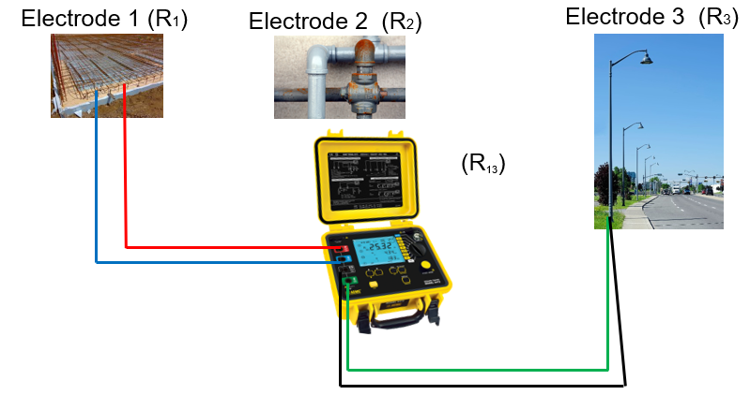
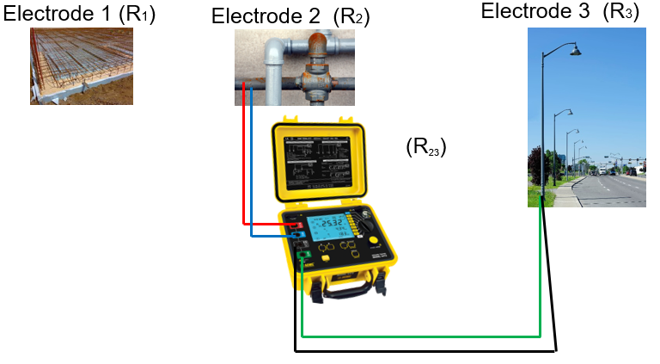

Chauvin Arnoux®, Inc. d.b.a. AEMC® Instruments

www.aemc.com | (800) 343-1391 | techsupport@aemc.com
15 Faraday Drive | Dover, NH 03820

